How to use this Cheat Sheet
Ceres/Item Card Creation Guide

This guide was created to assist in the creation of a SOP for Item Card creation
• Identifies the Fast Tab on the Item Card, where the corresponding field is located.
• Lists Fields commonly used on Food Bank Item Cards
• Explains the task associated with each Field
• Shows related tables that are impacted by the data in the field
• Lists Ceres Mandatory Fields
• Shows the customizable format to allow identification of FB Mandatory fields

This field shows the user which fields are Ceres and FB mandatory. This field is editable to reflect your FB mandatory fields.
The Fast Tab column is a reference to the Fast tab on the Item Card where the corresponding Field is located.
This field shows the tables that have a relationship or can be impacted by this field.
This field is the corresponding Field on the Item Card that needs to be updated.

This is a brief explanation of the task and the place to enter your FB specific standards for each field

Related Table Information
Dimensions | Item Card Dimensions are used to track and record the value and the fees associated with an item to a specific General Ledger account. This is most often used with "Programmatic" inventory such as inventory for Senior Programs or Backpack Programs. This is an optional method of tracking, please check with your finance department before using.

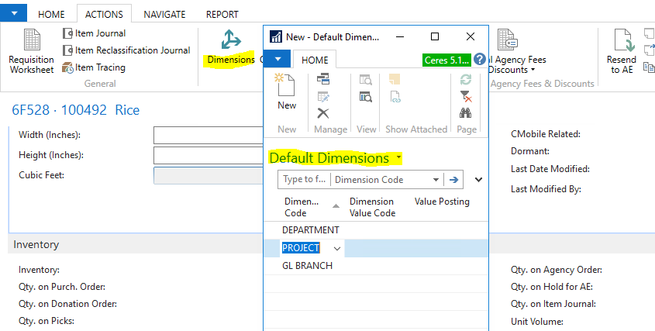

Qualifiers | Qualifiers are restrictions that work in conjunction with Items, Agencies (and Agency Groups), Counties & Grants. Predefined Qualifiers act as factors that control the availability of certain items and/or grant amounts on Agency orders.

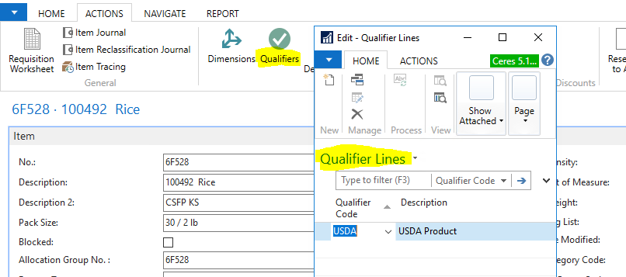

Agency Express | Agency Express, is a web-based online ordering tool for Agencies. Agency Express exclusively integrates with Ceres. When the "Permit Web Orders" box is checked on an item, the item will be visible to Agencies permitted to order on Agency Express and who meet any other criteria set on the item i.e., Grants and Qualifiers.

